Transpose data
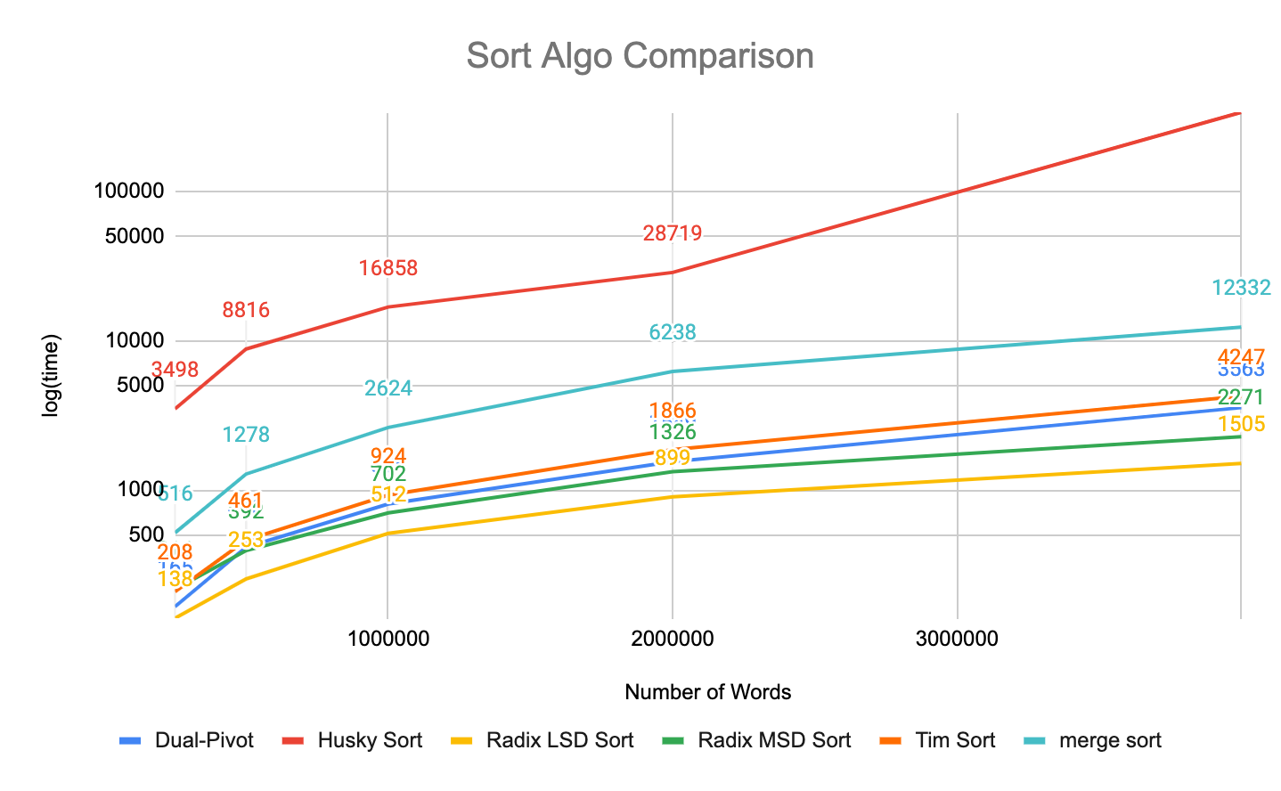
word count | Dual-Pivot | Husky Sort | Radix LSD Sort | Radix MSD Sort | Tim Sort | merge sort
250000 | 165 | 3498 | 138 | 216 | 208 | 516
500000 | 413 | 8816 | 253 | 392 | 461 | 1278
1000000 | 805 | 16858 | 512 | 702 | 924 | 2624
2000000 | 1,549 | 28719 | 899 | 1,326 | 1,866 | 6238
4000000 | 3,563 | 340903 | 1,505 | 2,271 | 4,247 | 12332

Pre & post process
PreProcess | MEAN:- 4056 | PostProcess | Mean:- 945
4516 |  | 1019
4090 |  | 951
3664 |  | 965
3628 |  | 961
3827 |  | 955
4105 |  | 958
3634 |  | 950
3739 |  | 955
3872 |  | 933
4143 |  | 941
3781 |  | 942
3674 |  | 944
3630 |  | 944
3963 |  | 989
3824 |  | 935
3612 |  | 935
3961 |  | 943
3704 |  | 940
3857 |  | 945
3795 |  | 930
4101 |  | 935
3582 |  | 940
3674 |  | 954
3661 |  | 939
4094 |  | 982
3726 |  | 933
4470 |  | 935
4326 |  | 946
4558 |  | 939
4536 |  | 940
5023 |  | 939
4752 |  | 935
4580 |  | 936
4949 |  | 938
4387 |  | 931
4064 |  | 981
4473 |  | 938
5211 |  | 936
4472 |  | 928
4316 |  | 931
4177 |  | 923
4201 |  | 935
4279 |  | 938
4380 |  | 938
4101 |  | 981
4139 |  | 920
4331 |  | 923
4216 |  | 925
4018 |  | 922
3859 |  | 925
4429 |  | 918
3851 |  | 928
4652 |  | 934
4338 |  | 963
4103 |  | 930
4298 |  | 938
4441 |  | 937
5276 |  | 924
4630 |  | 933
5057 |  | 926
5100 |  | 929
4257 |  | 963
4188 |  | 920
4347 |  | 930
3926 |  | 958
3809 |  | 925
3957 |  | 918
3616 |  | 961
3883 |  | 933
3725 |  | 927
3616 |  | 946
3668 |  | 924
3733 |  | 925
3776 |  | 971
3819 |  | 940
3804 |  | 950
4047 |  | 936
4079 |  | 941
3728 |  | 939
3863 |  | 965
3848 |  | 937
4106 |  | 932
3918 |  | 1051
3846 |  | 1009
3850 |  | 946
3802 |  | 949
3892 |  | 944
3730 |  | 968
3616 |  | 952
3889 |  | 953
3693 |  | 947
3933 |  | 974
3890 |  | 960
3645 |  | 946
3650 |  | 978
3646 |  | 939
3694 |  | 944
3697 |  | 954
3822 |  | 941
3838 |  | 961

